dashboard
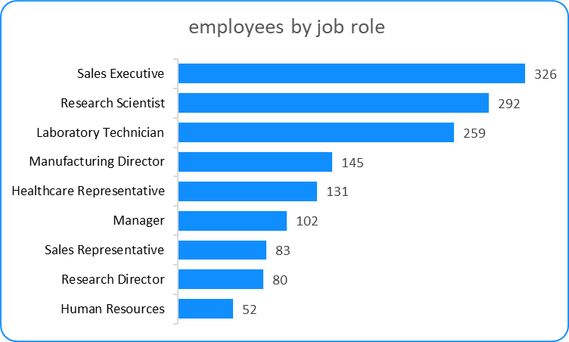
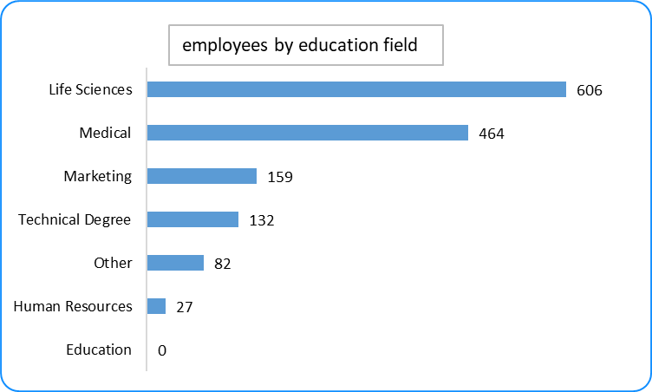
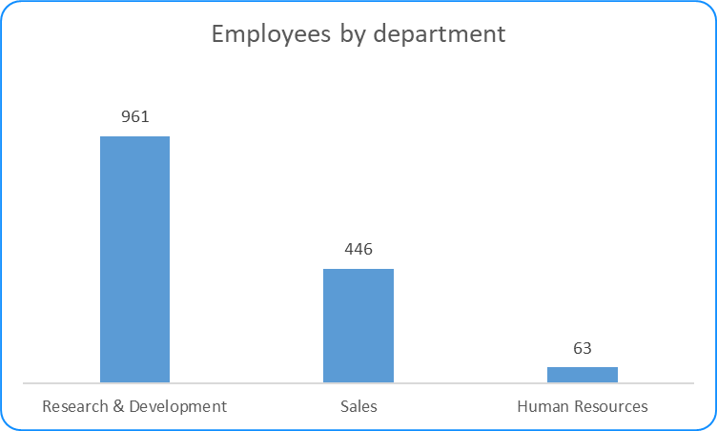
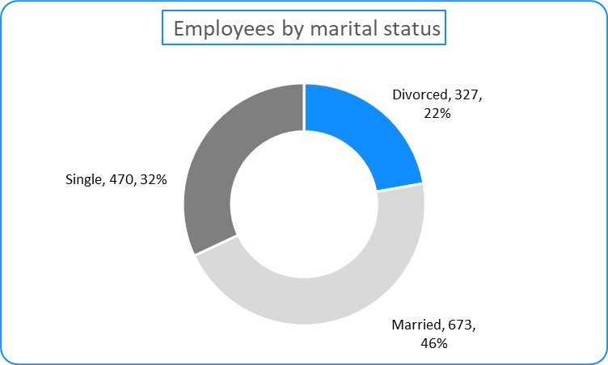
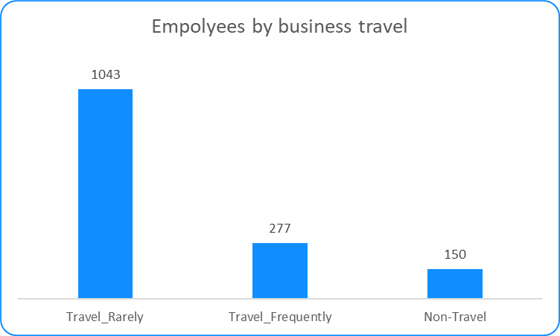
Employees by age
 | Total
18 | 8
19 | 9
20 | 11
21 | 13
22 | 16
23 | 14
24 | 26
25 | 26
26 | 39
27 | 48
28 | 48
29 | 68
30 | 60
31 | 69
32 | 61
33 | 58
34 | 77
35 | 78
36 | 69
37 | 50
38 | 58
39 | 42
40 | 57
41 | 40
42 | 46
43 | 32
44 | 33
45 | 41
46 | 33
47 | 24
48 | 19
49 | 24
50 | 30
51 | 19
52 | 18
53 | 19
54 | 18
55 | 22
56 | 14
57 | 4
58 | 14
59 | 10
60 | 5
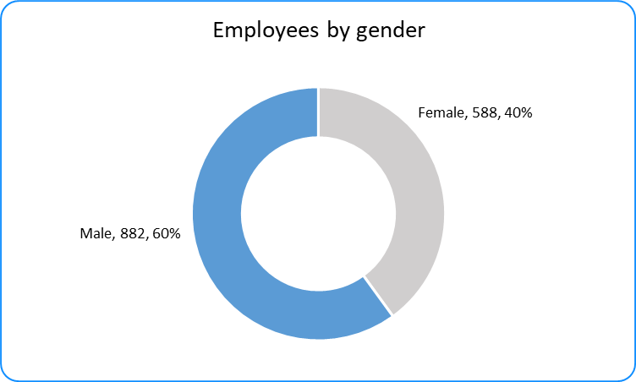
Employees by hourly rate
 | Total
30 | 19
31 | 15
32 | 24
33 | 19
34 | 12
35 | 18
36 | 18
37 | 18
38 | 13
39 | 17
40 | 18
41 | 21
42 | 28
43 | 24
44 | 18
45 | 24
46 | 25
47 | 16
48 | 28
49 | 18
50 | 16
51 | 22
52 | 26
53 | 14
54 | 26
55 | 16
56 | 26
57 | 27
58 | 17
59 | 21
60 | 23
61 | 20
62 | 23
63 | 16
64 | 19
65 | 19
66 | 29
67 | 19
68 | 14
69 | 15
70 | 16
71 | 18
72 | 25
73 | 24
74 | 20
75 | 20
76 | 19
77 | 21
78 | 23
79 | 27
...

employess by age
Row Labels | Sum of EmployeeCount | Age | Total
18 | 8 | 18 | 8
19 | 9 | 19 | 9
Employees by age
20 | 11 | 20 | 11
21 | 13 | 21 | 13
22 | 16 | 22 | 16
23 | 14 | 23 | 14
24 | 26 | 24 | 26
25 | 26 | 25 | 26
26 | 39 | 26 | 39
27 | 48 | 27 | 48
28 | 48 | 28 | 48
29 | 68 | 29 | 68
30 | 60 | 30 | 60
31 | 69 | 31 | 69
32 | 61 | 32 | 61
33 | 58 | 33 | 58
34 | 77 | 34 | 77
35 | 78 | 35 | 78
36 | 69 | 36 | 69
37 | 50 | 37 | 50
38 | 58 | 38 | 58
39 | 42 | 39 | 42
40 | 57 | 40 | 57
41 | 40 | 41 | 40
42 | 46 | 42 | 46
43 | 32 | 43 | 32
44 | 33 | 44 | 33
45 | 41 | 45 | 41
46 | 33 | 46 | 33
47 | 24 | 47 | 24
48 | 19 | 48 | 19
49 | 24 | 49 | 24
50 | 30 | 50 | 30
51 | 19 | 51 | 19
52 | 18 | 52 | 18
53 | 19 | 53 | 19
54 | 18 | 54 | 18
55 | 22 | 55 | 22
56 | 14 | 56 | 14
57 | 4 | 57 | 4
58 | 14 | 58 | 14
59 | 10 | 59 | 10
60 | 5 | 60 | 5

Employees by gender
Row Labels | Sum of EmployeeCount | Gender | Total
Female | 588 | Female | 588
Male | 882 | Male | 882
Grand Total | 1470

Employees by gender

Employees by hourly rate
Row Labels | Sum of EmployeeCount | Rate | Total
30 | 19 | 30 | 19
31 | 15 | 31 | 15
32 | 24 | 32 | 24
33 | 19 | 33 | 19
34 | 12 | 34 | 12
35 | 18 | 35 | 18
36 | 18 | 36 | 18
37 | 18 | 37 | 18
38 | 13 | 38 | 13
39 | 17 | 39 | 17
40 | 18 | 40 | 18
41 | 21 | 41 | 21
42 | 28 | 42 | 28
43 | 24 | 43 | 24
44 | 18 | 44 | 18
45 | 24 | 45 | 24
46 | 25 | 46 | 25
47 | 16 | 47 | 16
48 | 28 | 48 | 28
49 | 18 | 49 | 18
50 | 16 | 50 | 16
51 | 22 | 51 | 22
52 | 26 | 52 | 26
53 | 14 | 53 | 14
54 | 26 | 54 | 26
55 | 16 | 55 | 16
56 | 26 | 56 | 26
57 | 27 | 57 | 27
58 | 17 | 58 | 17
59 | 21 | 59 | 21
60 | 23 | 60 | 23
61 | 20 | 61 | 20
62 | 23 | 62 | 23
63 | 16 | 63 | 16
64 | 19 | 64 | 19
65 | 19 | 65 | 19
66 | 29 | 66 | 29
67 | 19 | 67 | 19
68 | 14 | 68 | 14
69 | 15 | 69 | 15
70 | 16 | 70 | 16
71 | 18 | 71 | 18
72 | 25 | 72 | 25
73 | 24 | 73 | 24
74 | 20 | 74 | 20
75 | 20 | 75 | 20
76 | 19 | 76 | 19
77 | 21 | 77 | 21
78 | 23 | 78 | 23
79 | 27 | 79 | 27
Employees by hourly rate
80 | 21 | 80 | 21
81 | 22 | 81 | 22
82 | 23 | 82 | 23
83 | 22 | 83 | 22
84 | 28 | 84 | 28
85 | 18 | 85 | 18
86 | 22 | 86 | 22
87 | 26 | 87 | 26
88 | 21 | 88 | 21
89 | 15 | 89 | 15
90 | 19 | 90 | 19
91 | 18 | 91 | 18
92 | 25 | 92 | 25
93 | 16 | 93 | 16
94 | 22 | 94 | 22
95 | 23 | 95 | 23
96 | 27 | 96 | 27
97 | 21 | 97 | 21
98 | 28 | 98 | 28
99 | 20 | 99 | 20
100 | 19 | 100 | 19

employees by job role
employees by job role
Row Labels | Sum of EmployeeCount | Job Role | Total
Healthcare Representative | 131 | Human Resources | 52
Human Resources | 52 | Research Director | 80
Laboratory Technician | 259 | Sales Representative | 83
Manager | 102 | Manager | 102
Manufacturing Director | 145 | Healthcare Representative | 131
Research Director | 80 | Manufacturing Director | 145
Research Scientist | 292 | Laboratory Technician | 259
Sales Executive | 326 | Research Scientist | 292
Sales Representative | 83 | Sales Executive | 326

employees by education field
Row Labels | Sum of EmployeeCount | Education | Total
Human Resources | 27 | Human Resources | 27
Life Sciences | 606 | Other | 82
Marketing | 159 | Technical Degree | 132
Medical | 464 | Marketing | 159
Other | 82 | Medical | 464
Technical Degree | 132 | Life Sciences | 606

employees by education field

employees by education field

Employees by department
Employees by department
Row Labels | Sum of EmployeeCount
Human Resources | 63
Research & Development | 961
Sales | 446

Department | Total
Research & Development | 961
Sales | 446
Human Resources | 63

Employees by marital status
Employees by marital status
Row Labels | Sum of EmployeeCount | Marital status | Total
Divorced | 327 | Divorced | 327
Married | 673 | Married | 673
Single | 470 | Single | 470

Empolyees by business travel
Empolyees by business travel
Row Labels | Sum of EmployeeCount
Non-Travel | 150
Travel_Frequently | 277
Travel_Rarely | 1043

Business travel | Total
Travel_Rarely | 1043
Travel_Frequently | 277
Non-Travel | 150

